new customer bug
0 | Label | Value
Bug ID | ID number | 101
 | Name | new customer -> the new customer is not created and error message appears
Bug overview | Summary | when i enter all the new customer credentials and i click on submit an error message appears
 | URL | https://demo.guru99.com/V1/html/addcustomerpage.php
 |  | 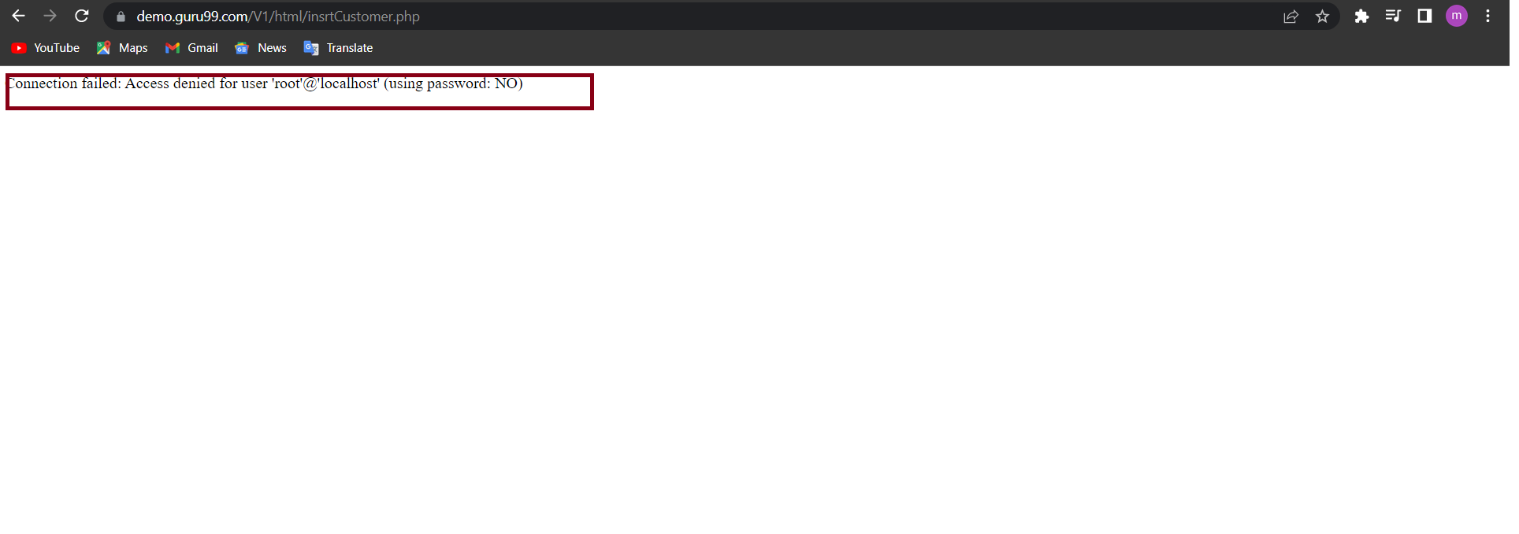
 | screenshots | 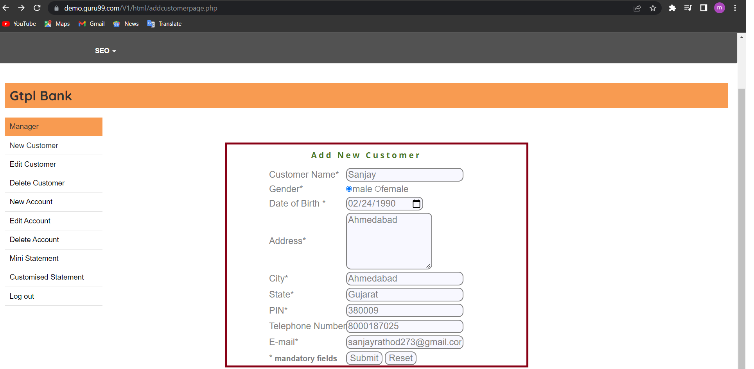
Environment | Platform | chrome
 | Operating System | windows 10
 | version | v1
Bug details | Steps to reproduce | add New customer > Sanjay Male 24/02/1990 Address - Ahmedabad City - Ahmedabad State - Gujarat PIN - 380009 Telephone - 8000187025 Email - sanjayrathod273@gmail.com UserId - 1234 and submit
 | Expected result | Message Should be displayed" customer records updated successfully!!"
Bug tracking | Severity | medium
 | Assigned to | /
 | Priority | medium
Notes | Notes | you should solve the connection problems

new customer address bug
0 | Label | Value
Bug ID | ID number | 107
 | Name | new customer address and city -> the new customer addressaccpts special chracters and there is error in city field
Bug overview | Summary | when i enter all the new customer credentials and i enter special character in address field it accepts it and the city field shows (the numbers are inavailable )even if the city does not contain number
 | URL | https://demo.guru99.com/V1/html/addcustomerpage.php
 | screenshots | 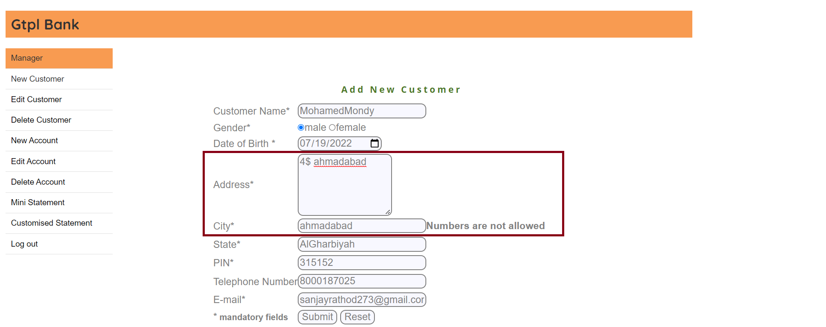
Environment | Platform | chrome
 | Operating System | windows 10
 | version | v1
Bug details | Steps to reproduce | add new customer _> Sanjay Male 24/02/1990 Address - 4$Ahmedabad City - Ahmedabad State - Gujarat PIN - 380009 Telephone - 8000187025 Email - sanjayrathod273@gmail.com UserId - 1234 and submit
 | Expected result | an error message in address field saying that this field does not accept characters and no error appears in the city field
Bug tracking | Severity | medium
 | Assigned to | /
 | Priority | low
Notes | Notes | you should make it does not accept special characters

new customer name bug
0 | Label | Value
Bug ID | ID number | 102
 | Name | new customer name space as first character -> the new customer name fied it show the wrong error message
Bug overview | Summary | when i enter all the new customer credentials and i enter space in name field it shows the wrong error message
 | URL | https://demo.guru99.com/V1/html/addcustomerpage.php
 | screenshots | 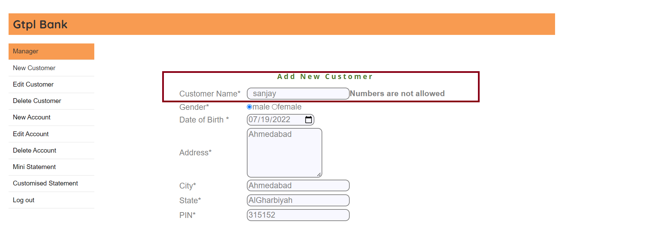
Environment | Platform | chrome
 | Operating System | windows 10
 | version | v1
Bug details | Steps to reproduce | add New customer > "Sanjay Male 24/02/1990 Address - Ahmedabad City - Ahmedabad State - " Gujarat" PIN - 380009 Telephone - 8000187025 Email - sanjayrathod273@gmail.com UserId - 1234 and submit
 | Expected result | an error message "first character can not be space "
Bug tracking | Severity | medium
 | Assigned to | /
 | Priority | medium
Notes | Notes | you should modify the error message

new customer state bug
0 | Label | Value
Bug ID | ID number | 106
 | Name | new customer state space as first character -> the new customer state fied it show the wrong error message
Bug overview | Summary | when i enter all the new customer credentials and i enter space in state field it shows the wrong error message
 | URL | https://demo.guru99.com/V1/html/addcustomerpage.php
 | screenshots | 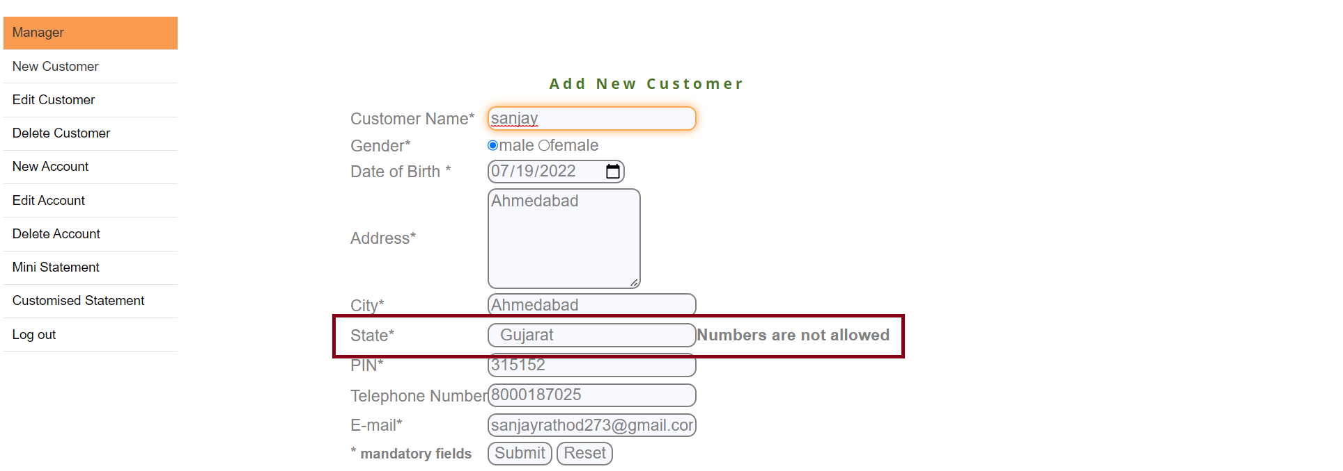
Environment | Platform | chrome
 | Operating System | windows 10
 | version | v1
Bug details | Steps to reproduce | add New customer > " Sanjay" Male 24/02/1990 Address - Ahmedabad City - Ahmedabad State - Gujarat PIN - 380009 Telephone - 8000187025 Email - sanjayrathod273@gmail.com UserId - 1234 and submit
 | Expected result | an error message "first character can not be space "
Bug tracking | Severity | medium
 | Assigned to | /
 | Priority | medium
Notes | Notes | you should modify the erorr message

new customer email bug
0 | Label | Value
Bug ID | ID number | 105
 | Name | new customer email accepts spaces and invalid format -> the new customer email fied dont show any error message
Bug overview | Summary | when i enter all the new customer credentials and i enter space in email field or invalid format it dont show any error message
 | URL | https://demo.guru99.com/V1/html/addcustomerpage.php
 | screenshots | 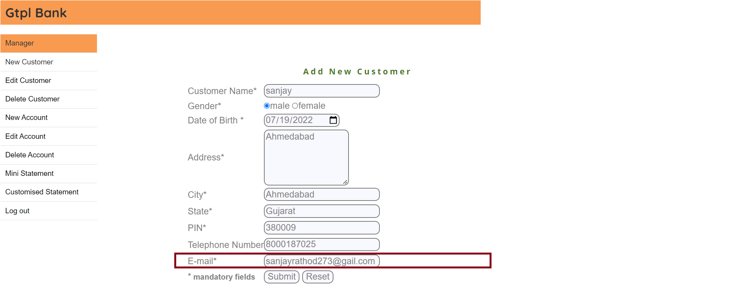
Environment | Platform | chrome
 | Operating System | windows 10
 | version | v1
Bug details | Steps to reproduce | add New customer > Sanjay Male 24/02/1990 Address - Ahmedabad City - Ahmedabad State - Gujarat PIN - 380009 Telephone - 8000187025 Email - sanjayrathod273@gail.com or sanjayrath od273@gmail.com UserId - 1234 and submit
 | Expected result | an error message "invalid email can not be accepted "
Bug tracking | Severity | major
 | Assigned to | /
 | Priority | medium
Notes | Notes | you should modify the validation

